Fonts and Sizes
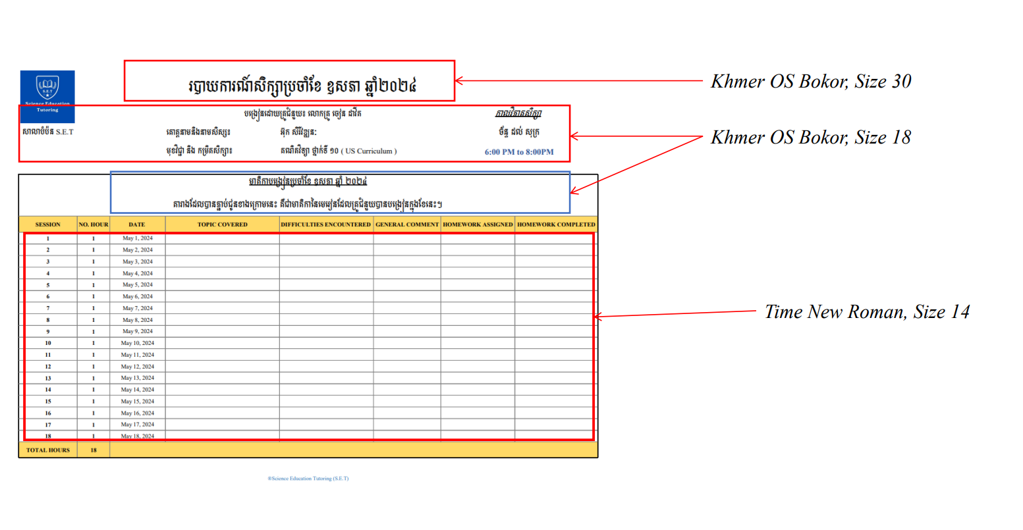

Monthly Report Template

 |  |  | TRADING REPORT IN NOVEMBER

 |  |  | PLATFORM: IQ OPTION |  |  |  | Schedule
 |  |  | Trader: | SON CHANSOPHAL |  |  | 6 dyas per week
 |  |  | Money management ​​​: | Max SL $10, 3 Entry |  |  | Unschedule

CONTENT REPORT IN NOV-2024
NO | DATE | Deposit | Withdraw | DIFFICULTIES ENCOUNTERED | GENERAL COMMENT | History of the Day | PNL
1 | 2024-11-05 | $10.72 | - | Market is not really good since it doesn't have Perfect SNR I wanna see. | I only want to see it goes with consistency, I refer it as a back test. | (L-L-W-D-L) (W-L-W-L-W) | $4.59
2 | 2024-11-06 | - | - | Miss entry cuz of price action and unclear | I trade night 5th first 5 entries, For the last 5 Entries I spent around 90min for it. | (W-W-W-L-W)(W-L-W-W-L) | $7.55
3 | 2024-11-07 | - | - | Unstable | Market low momentum | (W-L-L-L) | $(8.98)
4 | 2024-11-08
5 | 2024-11-09
6 | 2024-11-10
Total |  | $10.72 | 0 |  |  |  | $3.16
®Sophal Trading

